Vela
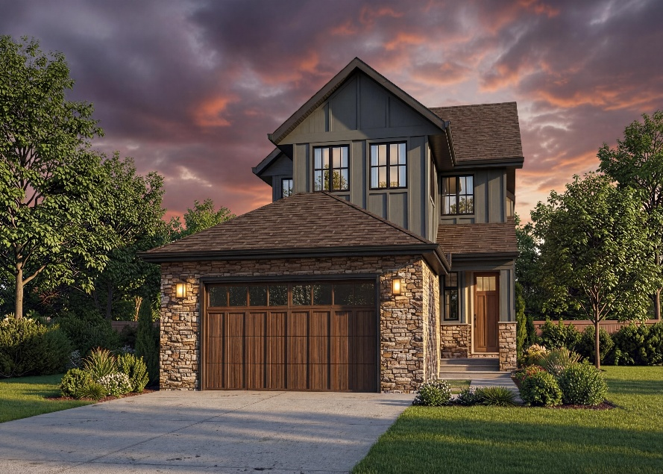

 |  | MODEL: | Vela Show Home Specifications
 |  | ELEVATION: | Craftsman
 |  | MAIN RESIDENCE | Main | 1137
 |  | SQUARE FOOTAGE | Upper | 1162 plus 206 sq. ft. open to below
 |  |  | Total | 2296
 |  |  | Lower | 603
 |  | SECONDARY SUITE |  | 534

Exterior Features
Smooth Acrylic Stucco - Sherwin Williams 7008 Alabaster
Board & Batten - Sherwin Williams 7016 Mindful Grey
Stone - Dutch Quality Ashen Drystack
Triple glazed windows with argon gas black exterior/black interior
Front Door - Thermatru - CCR8100
Rear Decks with Antique Beige vinyl decking
Railing - Black Picket
Oversized double car garage
Ceiling Heights - Basement 9' +/- Main Floor 9' +/- Upper 8' +/-
Cabinet Displayed Options
Main Residence
Kitchen Cabinetry in Zonavita Textured Melamine colour - Vincenza Oak - kitchen perimeter, base, walls, island & hood and
Zonavita Smooth Melamine colour Willow Grey; cooktop and uppers
Hoodfan Feature in Zonavita Textured Melamine colour - Vincenza Oak
Pantry Cabinetry in Zonavita Textured Melamine colour - Vincenza Oak
Handles for Fridges and Tall Pantries - Top Knobs TK3028HB Handle Honey Bronze
Main Floor Bathroom - Zonavita Textured Melamine colour - Vincenza Oak
Master Ensuite - Zonavita Textured Melamine colour - Vincenza Oak
Upper Floor Main Bathroom in Zonavita Smooth Melamine colour Willow Grey
Laundry Room in Zonavita Smooth Melamine colour - Willow Grey
Cabinetry Hardware - Top Knobs TK3023HB Handle Hone Bronze
Countertops and Backsplashes
Kitchen - Baystone Misterio White BS 6308 counters, island and FW X FH kitchen backsplash
Pantry - Baystone Misterio White BS 6308
Main Floor Bath - Baystone Cemento BS 2002
Master Ensuite - Baystone Cemento BS 2002
Upper Floor Main Bathroom - Baystone Cemento BS 2002
Laundry Room - Baystone Cemento BS 2002
Hardwood Flooring & Ceramic Displayed Options
Hardwood - Timeless Kootenay II colour Saint Leon 1/2" thickness
Locations of Hardwood - main floor, stair treads, risers & stringers, upper floor, staircase to basement
LVP - Harmony colour Essence 1/4" thickness basement main house
Ceramics
Mudroom & Laundry Room - 3 x 12 Herringbone in Taupe
Fireplace - 24 x 48 Unique Travertine Ruled Silver Horizontal Stack
Main Bath & Primary Ensuite - 24 x 48 Unique Travertine Vein Cut Silver Horizontal Stack
Upper Bath - 24 x 48 Unique Travertine Minimal Silver Horizontal Stack
Plumbing Displayed Options
Kitchen
Sink - Blanco Silgranit Double Bowl 402869 Horizon Undermount colour Soft White
Faucet - Delta Trinsic Single Lever Faucet Pull Down & Matching CZ Strainers 9159-CZ-DST. Allure Spec Garburator.
Main Floor Bathroom Room
Basin - White Gerber Logan Square G0012765WT - undermount
Faucets - Delta Single Lever High Arc Faucet 559HA-CZ DST
Toilet - White Gerber Burr Ridge CT G0021187CT
Tub/Shower - 1/2 drop in tub with tiled walls and niche. Neptune 220458-000-001-102 Tub.
Tub Shower Components - Delta CZ Monitor 14 Series
Accesories - Delta Trinsic Bath Accessories CZ finish Gold trip lever for toilets
Master Ensuite
Basins - White Gerber Logan Square G0012765WT - V mount - sloped basin design
Faucets - Delta Single Lever High Arc Faucet 559HA-CZ DST
Free Standing Tub - Maax 66 x 36 103903-000-002-100
Curbless Shower Components - Delta Monitor 17 Series - shower fully tiled with niche, 10mm glass 8', BBRZ shower hardware
Ensuite Toilet - White Gerber Burr Ridge CT G0021187CT
Accessories - Delta Trinsic Bath Accessories CZ finish, Gold trip lever for toilets
Upper Floor Main Bathroom
Basins - White Gerber Logan Square G0012765WT - V mount - sloped basin design
Faucets - Delta Single Lever High Arc Faucet 559HA-CZ DST
Toilet - White Gerber Burr Ridge CT G0021187CT
Tub/Shower - 1/2 drop in tub with tiled walls, Neptune 220458-000-001-102
Tub Shower Components - Delta CZ Monitor 14 Series
Accessories - Delta Trinsic Bath Accessories CZ Finish, Gold trip lever for toilets
Lighting and Electrical Options
Lighting as displayed
The home has a full enterprise-style network foundation, including a secure VPN router, Wi-Fi 6 wireless access points and a
24-port gigabit network switch. The purpose of this is to give the home a stronger, more reliable technology backbone. This
means better connectivity better wireless coverage, stronger network security, and a more stable connection for streaming,
working from home, smart devices, TV's future cameras, future shades, music, and any connected technology added later.
All TV locations include flant panel brackets, surge protection, and network cabelling.
Great Room TV - 65"Samsung S95 OLED display
Master Bedroom Samsung Frame TV with a brown bezel. The Frame is designed to look like a slim picuture frame with
customizable bezels and Art Mode so the TV can display artwork when not being used as a television.
Window Coverings
TWC Boca Light Filtering #04 in Office, Dining Room, Great Room, Staircase, Primary Bath, Upper Main Bath
TWC Boca Blackout #04 Primary Bedroom, Bed 2 & Bed 3.
Heating Ventilation and Air Conditioning
Furnace - | 2 Trane S9X1 model 95% efficient 100,000 BTU furnace for main house and 40,000 BTU for basement suite
Air Conditioner - Trane 3 ton 13 SEER installed with R454 gas (environmentally friendly)
In-Floor Heat - Master Ensuite
Living Room Fireplace - Napoleon Ascent Series 42-B42NTRE
Custom Built-Ins
Custom MDF Wall Panelling Micro-Shaker - Foyer, Dining Room, Great Room Fireplace, Staircase & Primary Bedroom
Custom MDF Floating Shelves - Main Bath, Upper Hallway, Upper Main Bath
Fireplace Mantle - MDF Block Style Mantle, painted Benjamin Moore Dove Wing OC-18
Closet Displayed Options
Master Walk-In Closet - Custom MDF closet with drawer banks, single and double hang with gold rods
Bedrooms 2 - MDF closet with single and double hang with gold rods
Bedroom 3 - MDF closet with single and double hang with gold rods
Foyer - MDF shelf and gold rod
Mud Room - Custom MDF bench-seat, drawers and open cubbies
Glass and Mirror Displayed Options
Pantry Mirror - Custom mirror into MDF frame
Master Ensuite - FW X FH of vanity
Master WIC - Two custom mirrors in MDF frames
Main Floor Bath - FW X FH of vanity
Upper Floor Bath - FW X FH of vanity
Appliances
Dacor Fridge DRF367500AP 36" French Door panel ready
Samsung 5 Burner Gas Cook Top NA36N7755
Hood Fan Best by Broan Insert HBN1366SS 36" 650 CFM
Samsung Wall Oven - NV51T5512SS 30" Flush mount Single Wall Oven in Stainless Steel
Samsung Microwave and Trim Kit - MS19DG8500SRAC & MS19DG8500SRAC in Stainless Steel
Samsung Dishwasher DW80DG5200SRAA in Stainless Steel
Samsung Washer WF45T6000AV Front Load 5.2 cu.ft. in Black Stainless Steel
Samsung Dryer DVE45T6005V Front Load 7.5 cu.ft. in Black Stainless Steel
Miscellaneous Displayed Options & Features
Stairs - Construction grade western staircase
Railing - White Oak handrail with blank rail return and straight bar gold spindles
Ceilings - knockdown
Baseboard - 5" flat stock MDF
Casings - 3" flat stock MDF
Passage Doors - Madison Hollow Core
Main Paint Colour - Benjamin Moore Dove Wing OC-18, baseboards, casings, walls, closet interiors, MDF millwork
White Oak Staircase - Stained to match hardwood floor Timeless Kootenay II colour Saint Leon
Exterior Lock - Tavaris Iron Black
Interior Locks - Halifax Square Rosette Iron Black
Pocket Lock - Square Black
Lower Level Suite
Kitchen Cabinets - Contempra Vertical Grain Melamine - colour Napa
Bathroom Cabinets - Contempra Vertical Grain Melamine - colour Napa
Cabinet Hardware - Marathon 9322-160-GCH in Golden Champagne
Countertops and Backsplashes
Kitchen Countertop - Baystone Misterio White BS 6308
Bathroom Countertop - Baystone Cemento BS 2002
Plumbing Displayed Options
Kitchen Sink - Single Bowl Stainless Steel Sink V/M KIL N51925U-9
Kitchen Faucet - Delta 19867LF-CZ Single Handle Pul Down Kitchen Faucet.
Bathroom Basins - V/M White Gerber Logan Square G0012765WT
Bathroom Faucet - Delta Single Lever Faucet 15749LF-CZ
Toilet - White Gerber Burr Ridge CT G0021187CT
Tub/Shower - 1/2 drop in tub with tiled walls Neptune 220458-000-001-102
Tub/Shower Components - Delta CZ Monitor 14 Series
Accessories - Delta Trinsic Bath Accessories CZ finish, gold toilet trip lever
Flooring & Ceramic Displayed Options
Flooring - LVP Harmony Essence 1/4"
Ceramics
Kitchen Backsplash - Glace 3x8 Flat Bianco Gloss Horizontal Brick
Bathroom Tile - Ceramics - Travertino 12 x 24 Avorio Matte Horizontal Stack
Appliance Package
Appliance Package - Samsung Fridge 30" RB16DG6 in Stainless Steel, Samsung Range Slide NSE6DG8100 in Stainless Steel
Samsung Dishwasher DW80DG5200SRAA in Stainless Steel, Samsung OTR 400 CFM ME21DG 6300 in Stainless Steel, Samsung
Washer WW25FG5B34BEAC in white Samsung Dryer DV25FG50B5BEAC with heat pump in white
Miscellaneous Features
All furniture and accessories as viewed.
Home is fenced and landscaped including irrigation system.

